Rose
Trainee Tracking Checklist |  |  |  |  | Self Enroll Link: | https://floodlamp.moodlecloud.com/course/view.php?id=5

Update every morning where training is taking place. Information visible through moodle portal or via direct communication with trainees. DRI is Brandon, but Esmé will be responsible when Brandon’s not available.

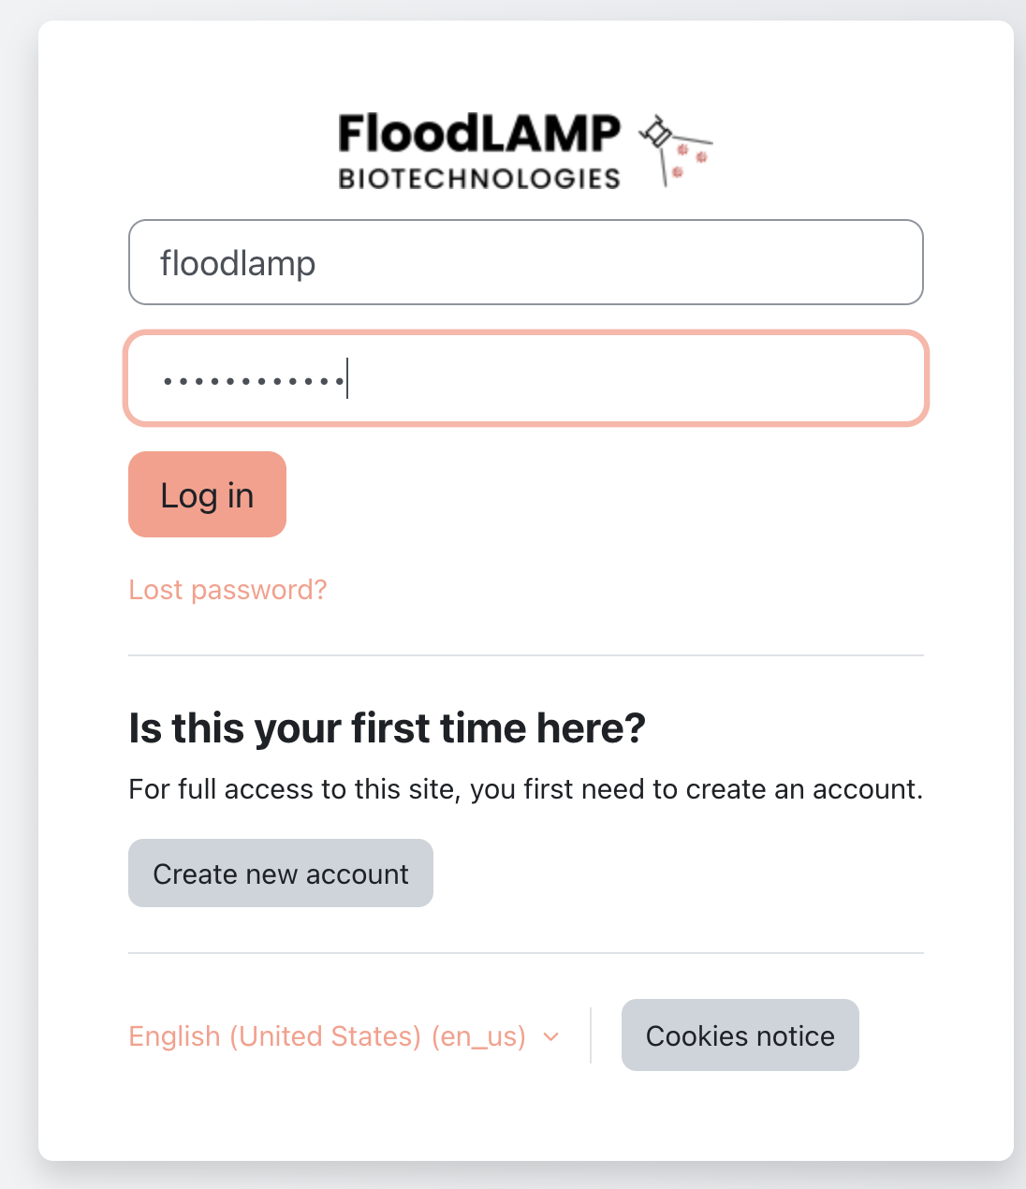

 | Rosie | Mayanna | Kennedy | Nikola
Planned Role | Support | Tester/admin | Tester | Admin
Enroll Link Sent | TRUE | TRUE | TRUE | FALSE
Account created and Welcome Page viewed | FALSE | TRUE | TRUE | FALSE
Videos Watched | FALSE | TRUE | TRUE | FALSE
2022-01-04 | FALSE | TRUE | TRUE | FALSE
2022-05-10 | FALSE | TRUE | TRUE | FALSE
11-end | FALSE | TRUE | TRUE | FALSE
DRI Check in on for questions, concerns, etc | FALSE | TRUE | TRUE | FALSE
Notes:

Knowledge Check attempt | FALSE | TRUE | TRUE | FALSE
Knowledge Check Pass | FALSE | TRUE | TRUE | FALSE
Request for On-Site Practice/Recording | FALSE | TRUE | TRUE | FALSE
Self Assessment Submitted | FALSE | TRUE | TRUE | FALSE
Self Assessment Passed | FALSE | TRUE | TRUE | FALSE
Video Submission Uploaded | FALSE | TRUE | TRUE | FALSE
Trained Tester Final Submission Audit | FALSE | FALSE | FALSE | FALSE
Passed Final Audit | FALSE | FALSE | FALSE | FALSE
Certification Certificate Sent | FALSE | FALSE | FALSE | FALSE
Final DRI Check in for Feedback | FALSE | FALSE | FALSE | FALSE

